Lawrenceburg
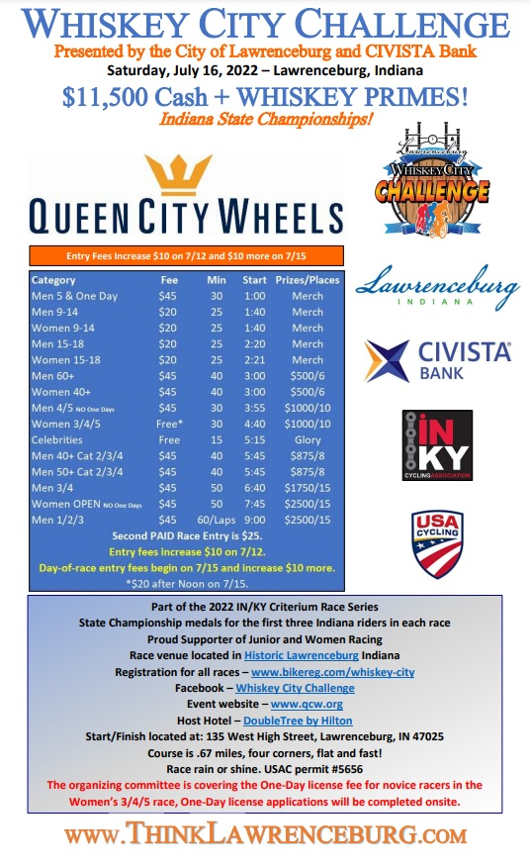

Ault Park Volunteers

Patrick McMullen: Law Enforcement/Parking
Dave Nissen: Chief Referee
Tracy Segar: Official
Sue Zurface: 18k Score Keeper
Richard Dammel: Course Setup and Tear Down
Russell Clarke: Course Setup and Tear Down
Dell Williamson: Registration / Scoring
Lauren Acton Bucher: Registration
Bertie Spicker: Registration
Angie Sexton: No Parking Signs set up
Bo Sherman: No Parking Signs tear down
Rob Westendorf: Onsite Director Assistant
Montgomery Cyclery: Neutral Support
Heather Maier: 18k Assistant
:18k Assistant
:18k Assistant
bikereg.com/whiskey-city

