Output
Generated view - output | How to use the generated script
Copy this script to the SQL server - all yellow lines. You may delete empty lines afterwards.

USE "PLCSQL" | 1. | Start SQL Server Management Studio
GO
IF EXISTS (SELECT ROUTINE_NAME FROM INFORMATION_SCHEMA.ROUTINES
WHERE ROUTINE_NAME = 'sp_GetParamSetConventional')
DROP PROCEDURE "sp_GetParamSetConventional"
GO | 2. | Connect to your database, and make sure it is selected in the Object Explorer. Then click on New Query
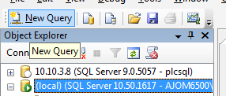
/* ====================================
SQL Stored Procedure for PLCSQL Link |  | Example value
Serves data from SQL Server to PLC. Script is called from the PLC. |  | Pilsner
 |  | Mixer
==================================== */
CREATE PROCEDURE
"sp_GetParamSetConventional"
@tstring NVARCHAR(MAX)
AS
BEGIN
SET NOCOUNT ON
DECLARE @ParamID1 NVARCHAR(MAX)
DECLARE @ParamID2 NVARCHAR(MAX)
DECLARE @ParamID3 NVARCHAR(MAX)
DECLARE @ParamID4 NVARCHAR(MAX)
DECLARE @ParamID5 NVARCHAR(MAX)
DECLARE @ParamValue NVARCHAR(MAX)
DECLARE @ParamValue1 NVARCHAR(MAX)
DECLARE @ParamValue2 NVARCHAR(MAX)
DECLARE @ParamValue3 NVARCHAR(MAX)
DECLARE @ParamValue4 NVARCHAR(MAX)
DECLARE @ParamValue5 NVARCHAR(MAX)
DECLARE @SetCount INT

-- Find ParamID in first part of Where Pair
SELECT @ParamID1 = ExtractedValue, @tstring = RestString FROM dbo.ufn_StringEater(@tstring)

-- Find Search Criteria (ParamValue)
SELECT @ParamValue1 = ExtractedValue, @tstring = RestString FROM dbo.ufn_StringEater(@tstring)

-- Find ParamID, ParamValue in the next 4 pairs
SELECT @ParamID2 = ExtractedValue, @tstring = RestString FROM dbo.ufn_StringEater(@tstring)
SELECT @ParamValue2 = ExtractedValue, @tstring = RestString FROM dbo.ufn_StringEater(@tstring)
SELECT @ParamID3 = ExtractedValue, @tstring = RestString FROM dbo.ufn_StringEater(@tstring)
SELECT @ParamValue3 = ExtractedValue, @tstring = RestString FROM dbo.ufn_StringEater(@tstring)
SELECT @ParamID4 = ExtractedValue, @tstring = RestString FROM dbo.ufn_StringEater(@tstring)
SELECT @ParamValue4 = ExtractedValue, @tstring = RestString FROM dbo.ufn_StringEater(@tstring)
SELECT @ParamID5 = ExtractedValue, @tstring = RestString FROM dbo.ufn_StringEater(@tstring)
SELECT @ParamValue5 = ExtractedValue, @tstring = RestString FROM dbo.ufn_StringEater(@tstring)

-- Data must be output according to standard PLCSQL Link in the format:
-- 2 columns: ParamID, ParamValue. Each datatype in a new recordset. Cast as:
-- ParamID: INT
-- 1-9999: REAL
-- 10000-14999: SMALLINT (2 byte INT)
-- 15001-19999: INT (4 byte INT)
-- 20000-29999: BIT
-- 30001-39000: VARCHAR/NVARCHAR (max 254 bytes)

-- REAL datatype
SELECT 1 AS ParamID,CAST(Level1 AS REAL) AS ParamValue FROM RecipeConventional2 WHERE RecipeName = @ParamValue1 AND ProductionLine = @ParamValue2
UNION SELECT 2 AS ParamID,CAST(Level2 AS REAL) AS ParamValue FROM RecipeConventional2 WHERE RecipeName = @ParamValue1 AND ProductionLine = @ParamValue2
UNION SELECT 3 AS ParamID,CAST(Level3 AS REAL) AS ParamValue FROM RecipeConventional2 WHERE RecipeName = @ParamValue1 AND ProductionLine = @ParamValue2

 | 3. | Copy the yellow fields from this Excel sheet into the Query Window, and press Execute (F5)

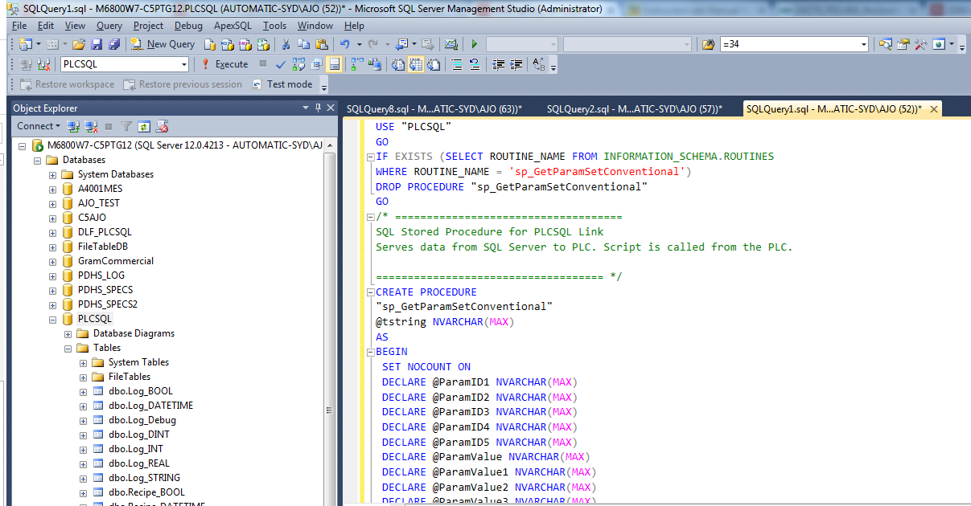

-- --------------------------------------------------------
-- INT datatype
SELECT 10002 AS ParamID,CAST(ProductionLine AS SMALLINT) AS ParamValue FROM RecipeConventional2 WHERE RecipeName = @ParamValue1 AND ProductionLine = @ParamValue2

 | 4. | You may test the created procedue with the command shown under Get Data

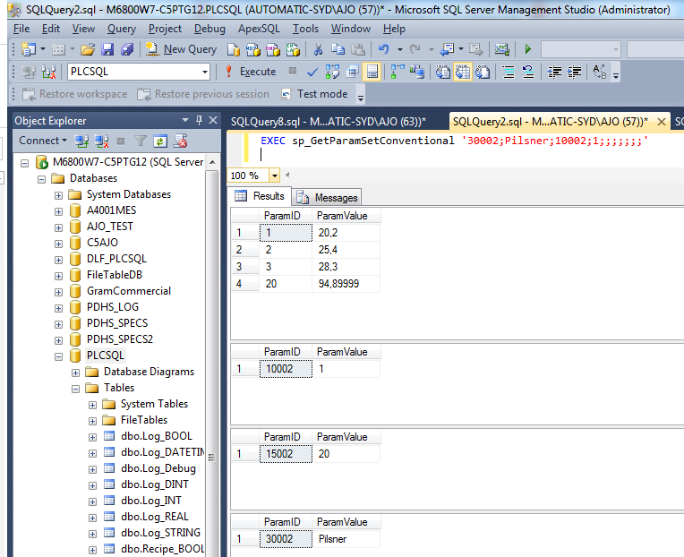

-- --------------------------------------------------------
-- DINT datatype
SELECT 15001 AS ParamID,CAST(SetID AS INT) AS ParamValue FROM RecipeConventional2 WHERE RecipeName = @ParamValue1 AND ProductionLine = @ParamValue2
UNION SELECT 15002 AS ParamID,CAST(DataID AS INT) AS ParamValue FROM RecipeConventional2 WHERE RecipeName = @ParamValue1 AND ProductionLine = @ParamValue2

-- --------------------------------------------------------
-- BOOL datatype
SELECT 20002 AS ParamID,CAST(Valve1 AS BIT) AS ParamValue FROM RecipeConventional2 WHERE RecipeName = @ParamValue1 AND ProductionLine = @ParamValue2
UNION SELECT 20003 AS ParamID,CAST(Valve2 AS BIT) AS ParamValue FROM RecipeConventional2 WHERE RecipeName = @ParamValue1 AND ProductionLine = @ParamValue2
UNION SELECT 20004 AS ParamID,CAST(Valve3 AS BIT) AS ParamValue FROM RecipeConventional2 WHERE RecipeName = @ParamValue1 AND ProductionLine = @ParamValue2
UNION SELECT 20005 AS ParamID,CAST(Valve4 AS BIT) AS ParamValue FROM RecipeConventional2 WHERE RecipeName = @ParamValue1 AND ProductionLine = @ParamValue2

-- --------------------------------------------------------
-- STRING datatype
SELECT 30001 AS ParamID,CAST(CONVERT(VARCHAR(254),ChangeTime, 120) AS VARCHAR(254)) AS ParamValue FROM RecipeConventional2 WHERE RecipeName = @ParamValue1 AND ProductionLine = @ParamValue2
UNION SELECT 30002 AS ParamID,CAST(RecipeName AS VARCHAR(254)) AS ParamValue FROM RecipeConventional2 WHERE RecipeName = @ParamValue1 AND ProductionLine = @ParamValue2
UNION SELECT 30003 AS ParamID,CAST(CartonName AS VARCHAR(254)) AS ParamValue FROM RecipeConventional2 WHERE RecipeName = @ParamValue1 AND ProductionLine = @ParamValue2

END

Get data from the created stored procedure:
EXEC sp_GetParamSetConventional '30002;Pilsner;10002;1;;;;;;;'

