Sheet1
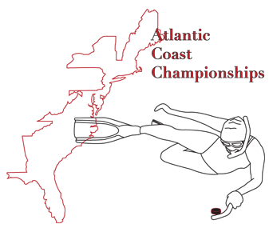
 |  | Underwater Hockey Atlantic Coast Champioships 2015 - GMU Fairfax, VA
 |  | Team Roster/Payment Form
 |  | Team Name: |  | Please save this file as "AorB TeamName 2015ACCs"
 |  | Enter as a A or B team*:
 |  | Contact Person:
 |  | Contact's e-mail address:
 |  | Contact's Phone Number: |  |  | Add V if vegitarian meal requested
 | First Name | Last Name | USOA Number | Tourney Dues** | Banquet Dues ($TBD) | T-Shirt ($TBD) | T-Shirt Size | USOA Fees Paid/Waiver
1
2
3
4
5
6
7
8
9
10
11
12

 |  | Subtotal |  | $0.00 | $0.00 | $0.00
 |  | Total Check |  | $0.00 | Checks should be made out to Capital Region Underwater Hockey
 |  | Mail Checks to Phil Magness 1414 Cottage St SW Vienna, VA 22180 and e-mail roster forms to CapitalRegionUWH@gmail.com
 |  | submit payment to @capitalregionuwh via Venmo (identifying your team name in the note)
 |  | *NOTE: B TEAMS WILL NOT HAVE THE OPPORTUNITY TO CROSSOVER INTO THE A DIVISION
 |  | **$650/ team if paid before Feb 28th, $750/ team if paid after Feb 28th

