Sheet1
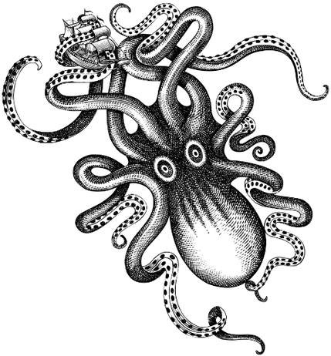
No USOA waivers or dues will be accepted at the pool!!!
 | Underwater Hockey Nationals 2015: Los Angeles
 | Team Roster/Payment Form
 | Team Name/Location:
 | Enter as a A or B team:
 | Contact Person:
Banquet is $35 per person.
 | Contact's e-mail address:
 | Contact's Phone Number:

 | Team Roster | 1st Nat.? | Tourney Dues | Banquet $35 | tshirt (tank top) $20 | Tank top size | Men's or Women's tank | USOA Fees Paid/Waiver
1
2
3
4
5
6
7
8
9
10
11
12
PayPal PREFERRED - send payment (as a 'gift') to poocho@gmail.com
Make Checks Payable to:
Los Angles Underwater Hockey
Mail to:
Poorna Chowdry
3812 Pacific Ave #3
Marina del Rey, CA 90292
Payment is due May 15, 2015
Send electronic roster copy to:
poocho@gmail.com
T-shirts are tank tops, mens or womens $20. Design TBD (but will be awesome).
Place "Y" if this is 1st Nationals. This is for certificates

 | Subtotal |  | $1,100.00 | $0.00 | $0.00
 | Total Check |  | $1,100.00

