Sheet1
Task : Bug Report - Irctc search for train schedule
Date : February 3rd,2015
Task Done by : Joana Hilda
Report number | Date | Reported by | Component name | Release number | Version | Configuration | Title | Report type | Bug can be reproduced | Severity | Piroity | Keywords | Repro description | Screenshot | suggested fix | customer impact | Assigned to | Status | Resolution | Resolution version | Resolved by | Tested by | change history | Comments
TS001 | Feb 3,2015 | Joana | Train Schedule | Release 3.2 | version200034 | OS:Windows 7 ultimate | Two station code for one city | Design Mismatch | Yes | Large | High | Train Schedule | Some cities have two station code.Only the valid code fetches the result, other code displays "no trains found" message Steps: 1. Go to WWW.IRCTC.CO.IN 2.Enter the Credentials 3.Click Ok button 4.In next page,under plan my journey 5.Type Coimbatore/Bangalore in From Station field 6.Two station codes will get displayed -->CBE / SBC (Valid) -->CBEE / SBCN(Invalid) 7. Click on the invalid code, it displays "no trains found" message | 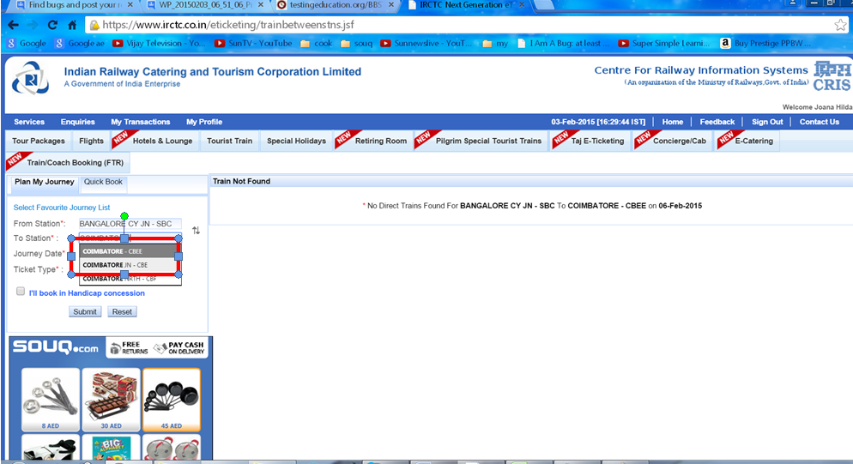 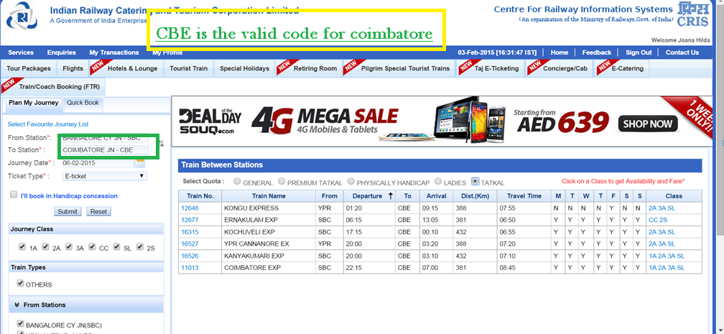 |  |  |  | Open | Pending | RV000 |  | Joana | No changes
TS002 | Feb 3,2015 | Joana | Train Schedule | Release 3.2 | version200034 | OS:Windows 7 ultimate | Whether it is Condition apply / Mandatory (*) message is not specified properly in this page | Design Issue | Yes | Small | Low | Train Schedule | Condition apply (*) /Mandatorysymbol is not Specified properly Steps: 1. Go to WWW.IRCTC.CO.IN URL 2.Enter the Credentials 3.Click Ok button 4.In next page,right side of the page has the the conditon apply symbol."Click on the class to get availability and fare *". 5.click the class 6.Availabilty and fare will be displayed | 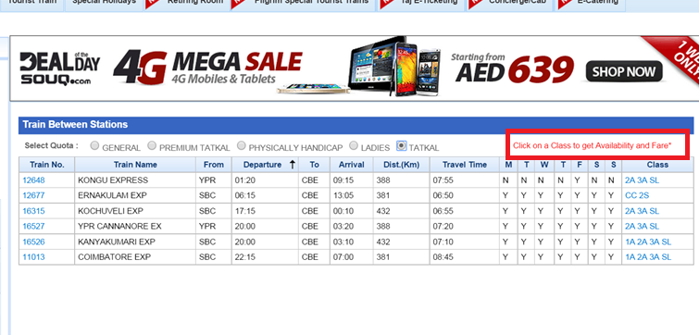 |  |  |  | Open | Pending | RV001 |  | Joana | No changes
TS003 | Feb 3,2015 | Joana | Train Schedule | Release 3.2 | version200034 | OS:Windows 7 ultimate | IRCTC logo is missing in the tab | Design Issue | Yes | Small | Low | Train Schedule | IRCTC logo is not present in the tab. Steps: 1. Go to WWW.IRCTC.CO.IN.IRCTC log is missing in the tab 2.Enter the Credentials 3.Click Ok button 4.In this page,.IRCTC log is missing in the tab |  |  |  |  | Open | Pending | RV002 |  |  | No changes
TS004 | Feb 3,2015 | Joana | Train Schedule | Release 3.2 | version200034 | OS:Windows 7 ultimate | No cancel / back button | Design Issue | Yes | Medium | Medium | Train Schedule | Steps: 1. Go to WWW.IRCTC.CO.IN 2.Enter the Credentials 3.Click Ok button 4.In next page,under plan my journey 5.Select From Station field,To station,Date 6.Click Submit button 7.Select the class,click book now 8.In book ticket page Cancel/Back button is missing |  |  |  |  | Open | Pending | RV003 |  |  | No changes
 |  |  |  |  |  |  |  |  |  |  |  |  |  |  |  |  |  |  |  |  |  |  | No changes

 |  |  |  |  |  |  |  |  | Yes | Small | Low |  |  |  |  |  |  | Open
 |  |  |  |  |  |  |  |  | No | Medium | Medium |  |  |  |  |  |  | Closed
 |  |  |  |  |  |  |  |  | Sometime | Large | High |  |  |  |  |  |  | Dumpster
 |  |  |  |  |  |  |  |  | Unknown

