cleaned
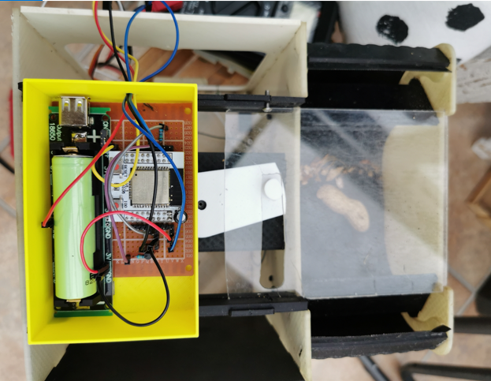
Material | Quantity | Part Name | STL Name Mapping | PaulG Notes |  | UNMATCHED stls | PaulG Notes
Transparent Acrylic Parts | 1 | Basket Front Window | basket Stls.stl | OK |  | esp32box.stl | Not required (Unless using esp32 - See picture)
 | 1 | Rotor |  | <Needs to be made> |  | esp32lid.stl | Not required (Unless using esp32 - See picture)
 | 1 | Rotor Hub |  | <Needs to be made> |  | servo plate.stl | Use this for smaller servo
 | 2 | Rotor Push Pin |  | <Needs to be made> |  | ServoPinion.stl | Use this for smaller servo
 | 1 | Sled | sled.stl |  |  | top plate.stl | Note sure
 | 2 | Sled Shelves | various.stl | OK |  | updated servo plate holder.stl | Not needed
 | 2 | Sled Shelf Supports | various.stl | OK
 | 1 | Servo Spine | Servo Spine.stl | OK
 | 1 | Sliding Lid | Transparent Acrylic parts V5 Final.2.stl | you can't print this as part has to be transparent for crow to see through
 | 2 | Coin Fence | various.stl | OK
 | 2 | Shoulders | basket Stls.stl | OK
 | 2 | Basket Alignment Tool |  | <Needs to be made> / Doesn't recall needing this
Light Color Acrylic Parts | 1 | Perch Platform | top perch.stl & top plate outside.stl | use top perch
 | 1 | Access Door | hatch.stl
 | 1 | Front Panel | front panel.stl | OK
 | 1 | Base Panel | basepanel.stl | OK
 | 2 | Rail Uppers | rails.stl | OK
 | 2 | Coin Magazine Side Panels |  | <Needs to be made>
 | 2 | Coin Magazine Feet |  | <Needs to be made>
 | 2 | Coin Pushers | various.stl
Dark Color Acrylic Parts | 1 | Rear Panel | Rear Panel.stl | OK
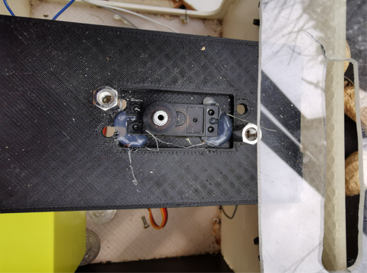
 | 1 | Side Panel | Side Panel too thick.stl & side Panelv ok 6 Final.stl | delete Sidepanel too thick correct one is side Panelv ok 6 Final.stl
 | 1 | Side Access Panel | Side access Panel.stl | OK
 | 2 | Ribs | front panel.stl | OK
 | 2 | Rail Frames | rails.stl | OK
 | 2 | Rail Lowers | rails.stl | OK
 | 4 | Ramp Support Stringers | basket Stls.stl | OK
 | 2 | Basket Perches | basket Stls.stl | OK
 | 1 | Perch Hook |  | do not recall this -have to check if included in another part
 | 1 | Basket Spine | basket Stls.stl | OK
 | 1 | Base Reinforcing Ring |  | <Needs to be made>
 | 1 | Coin Magazine Front Panel |  | <Needs to be made>
 | 1 | Coin Magazine Rear Panel |  | <Needs to be made>
 | 1 | Coin Magazine Cap |  | <Needs to be made>
 | 1 | Perch Tensioner | various.stl
 | 1 | Coin Sensor | coin.stl
 | 1 | Coin Sensor Stand | coin.stl
 | 1 | Perch Fulcrum |  | still to make (can't remember what this is for will need to check)
 | 1 | Coin Intake Ramp | basket Stls.stl
Styrene Housing Parts | 2 | Upper Ramp Panels | Styrene.stl & Styrene1.stl |  | Print 1 (mabye 2) thick
 | 2 | Lower Ramp Panels | Styrene.stl |  | Print 1 (mabye 2) thick
 | 1 | Basket Food Liner | Styrene2.stl |  | Print 1 (mabye 2) thick
 | 1 | Rotor Pin Wrap | No longer used

